Example
Packaging proposal sheet

 | CONTACT INFORMATION

 | Supplier: |  |  |  | Kolon Industries |  |  |  |  |  | Date |  | 07-20-2016 |  | Logistic contact: |  | Darrel Vincent
 | Supplier no: |  |  |  | 903041 |  |  |  |  |  | Revision |  |  |  | Phone no: |  | 801-643-2301
 | Contact at supplier: |  |  |  | Han -Soo Kim |  |  |  |  |  | RFQ No. |  |  |  | Fax no: |  | N/A
 | Phone no: |  |  |  | 31-125-168-1680 |  |  |  |  |  | RFQ Requestor |  |  |  | E-mail: |  | darrel.vincent@autoliv.com
 | E-mail: |  |  |  | hs-kim@kolon.com

 | PART INFORMATION

 | Part number |  | 625137401E |  |  |  |  |  |  |  | Description |  | Cushions

 | PACKAGING INFORMATION

 | PACKAGING UNIT (BOX) |  |  |  |  |  |  |  |  |  |  |  |  | HANDLING UNIT (PALLET)
 | Returnable Packaging/One Way Packaging |  |  |  |  |  |  | Carton Box |  |  |  |  |  |  |  | Length |  | Width |  | Height
 | Number of parts per box |  |  |  |  |  |  | 10 |  |  |  |  |  | Pallet dimension,mm |  | 1170 |  | 770 | 1000
 | Number of parts per pallet |  |  |  |  |  |  | 150 |  |  |  |  |  | Pallet Type |  | Containerized pallet 1170x770 mmx150mm
 |  |  |  |  |  |  |  |  |  |  |  |  |  | Fastening system (lashing, plastic wrapping) |  | plastic and wrap
 |  |  |  |  |  | Length |  |  | Width |  |  | Height |  | Number of boxes per layer |  | 5
 | Outer box dimensions, mm |  |  |  |  | 770 |  |  | 375 |  |  | 150 |  | Max. number of layers |  | 3
 | Type |  |  |  |  | Carton Box |  |  |  |  |  |  |  | Max. number of boxes per pallet |  | 15
 | Extra packaging material |  |  |  |  | N/A |  |  |  |  |  |  |  | Total height, Maximum 1000mm |  | 1000
 | (e.g. Tray, plastic bag, foil, other) |  |  |  |  |  |  |  |  |  |  |  |  | Total weight of pallet (kg) |  | 300
 | Total Weight per box, kg |  |  |  |  | 12 KG

 |  | Responsible Packaging Cost
 | If returnable packaging |  |  |  |  |  |  |  |  |  |  |  |  | Stackability
 |  | Owner |  | Supplier |  |  | Cost for Pallet |  |  | Incl. in part price |  |  |  | Stackability, number of pallets |  | 2
 |  | Cleaning / repair |  | Supplier |  |  | Cost for Frame/cover |  |  | Included in part price
 |  | Return of empties

 | DESIGN / PHOTO OF BOX |  |  |  |  |  |  |  |  |  |  |  |  | DESIGN / PHOTO OF PALLET/HANDLING UNIT
 | 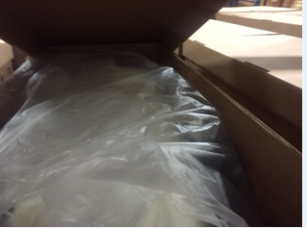 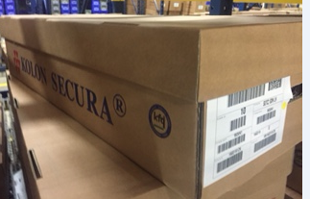 |  |  |  |  |  |  |  |  |  |  |  |  | 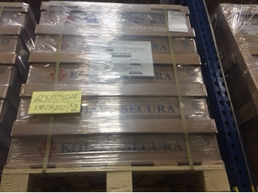

 | LABELLING: In compliance with Veoneer Standard VS 244.
 |  |  |  |  |  | S (BOX) LABEL |  |  |  |  |  |  |  |  | M (PALLET) LABEL
 | 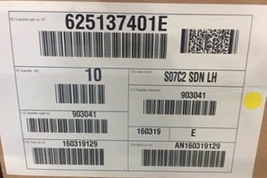 |  |  |  |  |  |  |  |  |  |  |  |  | 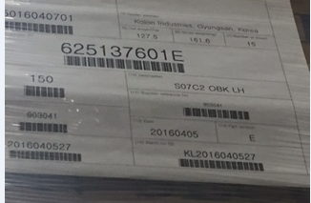

 | VEONEER PLANT APPROVAL
 | Plant Logistics

 | SUPPLIER APPROVAL
 | Contact at Supplier:

 | PERMANENT PACKAGING INSTRUCTION

 | 1. Carefully pack clean articles in dry and clean packages according to above instruction and design/photo if one exists.
 | 2. Each pallet and box shall be marked according to Veoneer Standard VS 244. Other marking is not allowed.
 | 3. The label should be placed on the lower left side of the packagings short side, if nothing else is specified above.
 | 4. Max height / pallet is 1000 mm. Max weight / pallet is 500 kg. Max weight / box is 12 kg.
 | 5. Pallet shall be banded with plastic straps. Metal straps are not allowed.
 | 6. Cartons are taped or glued, stapling is not allowed. The quality of the carton must assure the transportation without damages .
 | 7. Plastic return packages may not be strapped on pallet without top covers of plastic or wood.
 | 8. The unit load is determined in agreement between Veoneer´s and the supplier´s material planner, any deviation from this must
 | be approved by Veoneer´s department of logistics prior to delivery.
 | 9. For Service Part Packaging, a separate "Packaging proposal sheet- Service Parts", according VS246 will be specified.
 | Please contact the responsible planner at Veoneer at least 3 months before end of production.
 | 10. All packagings shall comply with Veoneer standards
 | 11. The substitute packaging must assure the same size and stackability of the pallet, as the one with returnable boxes.
 | 12. Substitute packaging must be approved by plant logistics and same dimensionals as returnable.

Example Markham ONLY
1
2
See instructions below form.
 |  |  | Veoneer Canada (CMM)
 |  |  |  | Supplier Packaging Data |  |  |  | Approval status
19
18
19
 |  |  |  |  | Preliminary Proposal |  |  | Is Test Pack Shipment required for plant approval? |  |  | To be defined by Veoneer
Revision | 0 | Rev. Date | 2018-06-04 | Production | Yes | Vehicle program & module |  | Proposal approval pending final (no test pack required) | Plant Approval / date | Final | Plant Approval / date
Part Information |  |  |  |  |  | Supplier Information
3
7
Part Number |  | 6XYZABC |  |  |  | Supplier Name |  | Acme Wabbit Company
Part Description |  | SCS housing |  |  |  | Supplier Code |  | XYZ
4
Part Dimensions |  | L | W | H | Wt. | Ship From Location |  | Napoleon Zion Station Road, KY
8
Imperial (inch and lb) |  | 3.15 | 1.201 | 0.837 | 0.078 | Container Information
Metric (mm & kg) |  | 80.01 | 30.51 | 21.26 | 0.04 | Type |  | Expendable carton
5
6
9
Rust Prevention |  | N/A | ESD Protection |  | N/A | Edge Crush Test (ECT) or Minimum bursting strength (pounds / sq in) |  | 32 ECT
11
Modular Pack (Container) Information |  |  |  |  |  | Unit Load (Pallet) Information
Container O.D. |  | L | W | H | Wt. | Unit Load type |  | Expendable pallet
10
Imperial (inch & lb) |  | 18.9 | 11 | 9.45 | 1.286 | Pallet O.D. |  | L | W | H | Wt.
12
Metric (mm & kg) |  | 480 | 279 | 240 | 0.58 | Imperial (inch & lb) |  | 45 | 39 | 4.84 | 31
Container Type |  | RSC carton |  |  |  | Metric (mm & kg) |  | 1,143 | 991 | 123 | 14.07
Pieces per Container |  | 216 |  |  |  | Containers per pallet |  | 32
Interior dunnage Tare weight |  | 1.754 | lb. | 0.80 | kg | Pieces per Pallet |  | 6912
Full container weight |  | 18.6 | lb. | 8.4 | kg | Unit Load secured with |  | Stretch wrap |  | Pallets are stackable (Ref: VS246 section 4.4) | Yes
13
Comments: |  | Interior dunnage weight: 9 x 0.18 + 1 x 0.134 => 1.754 |  |  |  | Pallet unit load O.D. |  | L | W | H | Wt.
 |  |  |  |  |  | Imperial (inch & lb) |  | 45 | 39 | 42.6 | 667
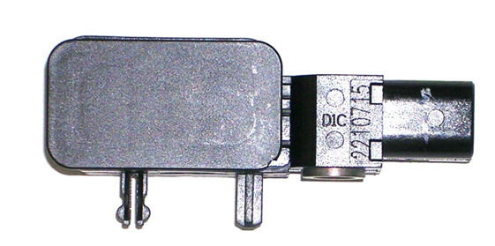
 |  |  |  |  |  | Metric (mm & kg) |  | 1,143 | 991 | 1,082 | 303
Part Photo (Sketch) |  |  |  |  |  | 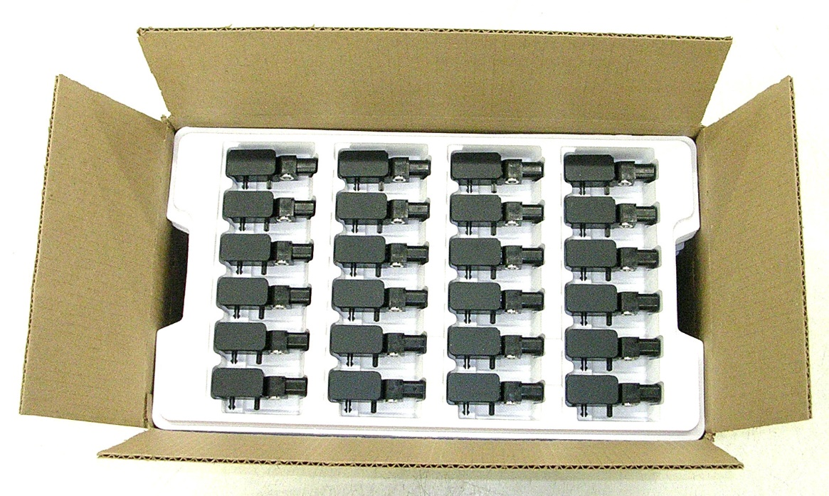 Container Interior Detail & Dunnage Photo
14

15
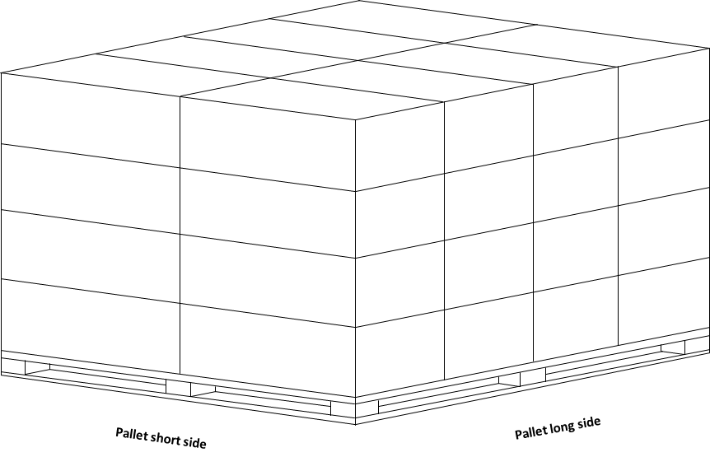 Unit Load / Shipping Photo (Sketch)
16

 |  |  |  |  |  | Describe how item is packaged in container
 |  |  |  |  |  | a) | 24 pieces per tray
 |  |  |  |  |  | b) | 9 trays per carton (0.18 lbs each)
 |  |  |  |  |  | c) | Empty pad on top (0.134 lb)
 |  |  |  |  |  | d) | Carton flaps taped to seal carton.
 |  |  |  |  |  | e)
Supplier Packaging Contact |  |  |  | Supplier Signature
17
Name | Elmer Fudd
Title
Phone
E-mail
Fax
 |  |  | Veoneer Canada (CMM)
 |  |  |  | Supplier Packaging Data

Part Information |  |  |  |  |  | Supplier Information
Part Number |  | 6XYZABC |  |  |  | Supplier Name |  | Acme Wabbit Company
Part Description |  | SCS housing |  |  |  | Supplier Code |  | XYZ
LABELLING: In compliance with Veoneer Standard VS 244.
Box Label |  |  |  |  |  | Pallet Label

20

Instructions: | Input data into the green cells, paste all photos (sketches). Submit document as Excel file, all other files are not acceptable. Save file as: Supplier Name - Veoneer Part number - date.xls
1 | Revision number and revision date. 0 is original submission
2 | Indicate whether the packaging is for production.
3 | Veoneer part number and description
4 | Complete dimensional data of the part.
5 | Specify if rust protection is needed for the part and the type. N/A (not applicable), Oil (oiled), VCI (volatile corrosion inhibitor), DCS (desiccant / silica gel).
6 | Specify if ESD protection is required.
7 | Supplier information.
8 | Indicate whether returnable tote or expendable container.
9 | Indicate expendable container Edge Crush Test (ECT) or Minimum bursting strength
10 | Complete dimensional data and weight of the empty container.
 | - Input container type (RSC - Regular slotted Carton, HSC - Half slotted Carton with telescopic lid, Returnable tote)
 | - Input the quantity of parts per container.
 | - Input the weight of all the interior dunnage for each container (partition, tray, pads, etc.)
 | - Gross weight of the full container shall not exceed 30 lbs (13.6 kg).
11 | Indicate whether pallet is returnable or expendable. All pallet shipments must be stackable. Reference VS246 section 4.4
12 | Complete dimensional data and weight of the empty pallet
 | - Input the number of containers per pallet
 | - How are the containers secured to the pallet: Stretch wrap / film, plastic banding
 | - Metal banding not allowed
13 | Complete dimensional data and weight of the full pallet
14 | Input digital picture (Sketch) of the part
15 | Input digital picture (Sketch) of the unit load (Pallet)
16 | Input digital picture (Sketch) of the container showing how parts will be packed
 | - Describe how parts are packed into each container
 | - For parts shipped in trays / partitions, the supplier shall pack all parts in the same orientation in each tray /partition.
17 | Input the supplier packaging contact information and sign under Supplier Signature
18 | For Veoneer use.
19 | Veoneer may determine that a test pack may be required to validate the packaging.
 | - Supplier to provide test pack upon request.
 | - Supplier not authorized to proceed with procurement of production packaging until Final approval.
20 | Labels must be scannable

