Instructions
User Guideline for usage of this SCR Template.

Introduction :
This VS007-J Template shall be used to manage and monitor Supplier Change Request or Supplier End Of Life Announcement in compliance with the standards VS007 Appendix J.

Supplier Guideline :
 |  | The Tab "SCR-Cover Sheet" must be used by the supplier to describe the Change Requested or the End Of Life Announcement.
 |  | The header and the section "Supplier Submission" must be used by the supplier for the description of the Supplier Change Request or the End Of Life Announcement.
 |  | Note : In the "SCR-Cover Sheet", every relevant field requiring to be filled in are colored and do have instruction for guidance.
 |  | Step 1 : The supplier must first select the type of Change by ticking the correct box in the Header (Tick the box "Supplier Change Request (SCR)" or the box "Supplier” End Of Life Announcement" as appplicable.
 |  | Step 2 : The supplier must write the date when the complete set of documentation is submitted to Veoneer (Completed SCR-Cover Sheet + Complete Documentation as per the applicable Change Package Description).
 |  | Step 3 : The supplier must identify the commodity of the affected component (Electronic Component / Mechanical Component / Software)
 |  | Step 4 : The supplier must complete all fields in section "Phase 0 - Supplier Submission" with a green background color ->
 |  | Step 5 : The supplier must complete the applicable Worksheet ( "Electronic Component Change" ; "Mechanical Component Change" or "Software Change") and attach all associated documentation for submission to Veoneer.
 |  | Step 6 : The supplier to submit this SCR template completed to the Veoneer Lead Buyer.

Veoneer internal Guideline :
 |  | A. : When receiving from the Supplier, the leadbuyer is registering the SCR in the internal Supplier Change Request tracking tool and upload all the documenation submitted by the supplier ( The SCR template + documentation supporting the Change Package). About this Document : The Leadbuyer will complete the "SCR Id" Field (See top right of the "SCR-Cover Sheet" Tab ) to reflect the SCR Id from the SCR tracking tool.
 |  | B. "Phase 1 - Exploratory Viability" : "The Veoneer Component Development Manager oversees coordinating team activities and organizes meetings required for the smooth running of this phase. " - The Component Development Manager will organize meeting for the review and approval of the Supplier documentation. - Before approving this phase, the team must complete the "Commodity Team Recommendation" worksheet. - This phase will be approved by the Component Development Manager in concurrence with the Commodity Supplier Quality Engineer and the Lead Buyer Note : Every relevant field requiring to be filled in are colored and do have instructions for guidance.

 |  | C. "Phase 2 : Serial Preparation." : "The “Change Leader” is leading the team activities all along this step until the CCB1 milestone is granted" - Phase 2 approval is to be granted by the “Change Leader”, in concurrence with the Supplier Quality Engineer and the Veoneer Lead Buyer. Note : Every relevant field requiring to be filled in are colored and do have instructions for guidance.
 |  | D. "Phase 3 - Validation Plan." : "The “Change Leader” is leading the team activities all along this step until the CCB2 milestone is granted" - Phase 3 approval is to be granted by the “Change Leader”, in concurrence with the Supplier Quality Engineer and the Veoneer Lead Buyer. Note : Every relevant field requiring to be filled in are colored and do have instructions for guidance.
 |  | E. "Phase 4 : PPAP Approval Completed ." : - "The Project SQ (Identified by the Commodity SQE) oversees the SQP activities" - "The Lead Buyer oversees coordinating samples ordering activities with the support of the local facilities organizations affected (Commodity Buyer, Logistic team and/or any other team as needed)". - The approval of this milestone will be granted by the Project Supplier Quality Engineer in concurrence with the Veoneer Lead Buyer and the Component Development Manager. Note : Every relevant field requiring to be filled in are colored and do have instructions for guidance.
 |  | F. "Phase 5 : Release for Serial Production" : "The “Change Leader” is leading the team activities all along this step until the CCB3 milestone is granted" - “SCR Full Approval” Milestone will be approved by the Change Leader in concurrence with the Project Supplier Quality Engineer, the Component Development Manager, the Veoneer global Logistic representative and the Veoneer Lead Buyer Note : Every relevant field requiring to be filled in are colored and do have instructions for guidance.

How To Sign/Approve :

 | Step 1 : Here is the Empty "Cell" where" to sign
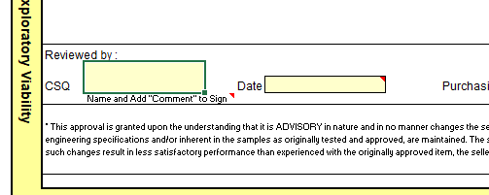

 | Step 2 : Type your Name and Record the Date
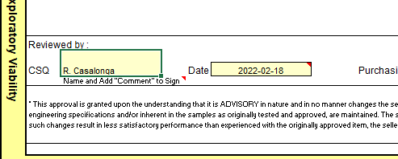

 | Step 3 : Click Right on the Cell where is your Name and select "New Comment"
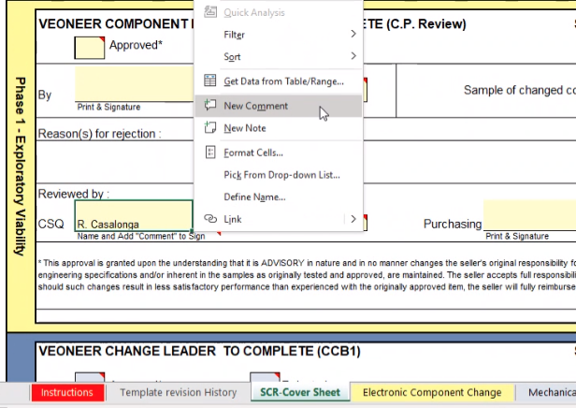

 | Step 4 : Write "Approved" in the Comment Field and Post It (Green Arrow at Bottom left)
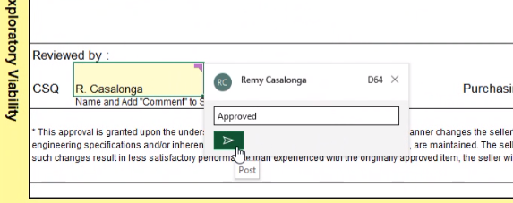

 | Step 5 : Here is how it looks like after been Posted
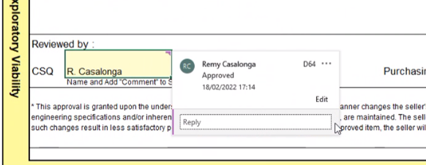

 | Step 6 : After you click on another cell, the color on the top right of the cell indicates a comment has been added.
